Sheet1
2008 Toyota Rav4 Sport 2.4
WHEEL HUB/FRONT AXLE HUB
Your Vehicle: 2008 Toyota Truck RAV4 2WD L4-2.4L (2AZ-FE)

 | Vehicle » Transmission and Drivetrain » Drive Axles, Bearings and Joints » Wheel Hub » Service and Repair » Front Axle Hub » Installation

 | Installation

AXLE: FRONT AXLE HUB: INSTALLATION

INSTALLATION
HINT:

Use the same procedures for the RH side and LH side.
The procedures listed below are the LH side.

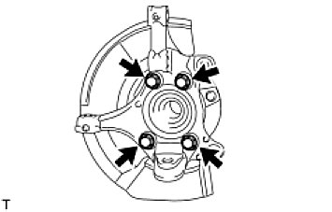

1. INSTALL FRONT AXLE HUB SUB-ASSEMBLY LH

(a) | Install the dust cover to the steering knuckle.
(b) | Install the axle hub with the 4 bolts.
Torque: 96 Nm (979 kgf-cm, 71 ft-lbf)
NOTE: Do not place the hub and bearing's magnet rotor side so that it is facing downward, and do not allow the magnet rotor side to become damaged or contact foreign matter.

2. INSTALL FRONT LOWER BALL JOINT ASSEMBLY LH See: Steering and Suspension\Suspension\Ball Joint\Service and Repair\Installation
3. INSTALL STEERING KNUCKLE WITH AXLE HUB

(a) | Align the shaft splines and drive in the drive shaft.
(b) | Install the steering knuckle with axle hub with the 2 bolts and 2 nuts.
Torque: 240 Nm (2,447 kgf-cm, 177 ft-lbf)
NOTE: Do not tighten the bolts.

4. CONNECT FRONT SUSPENSION NO. 1 LOWER ARM SUB-ASSEMBLY LH

(a) | Connect the lower arm to the ball joint with the bolt and 2 nuts.
Torque: 92 Nm (938 kgf-cm, 68 ft-lbf)

5. CONNECT TIE ROD END SUB-ASSEMBLY LH See: Steering and Suspension\Steering\Steering Gear\Service and Repair\Installation
6. INSTALL FRONT SPEED SENSOR LH See: Brakes and Traction Control\Antilock Brakes / Traction Control Systems\Wheel Speed Sensor\Service and Repair\Front Speed Sensor\Installation
7. CHECK FRONT AXLE HUB BEARING

(a) | Check the axle hub bearing See: Testing and Inspection\Front Axle Hub.

8. INSTALL FRONT DISC See: Brakes and Traction Control\Disc Brake System\Service and Repair\Front Brake\Reassembly
9. INSTALL FRONT DISC BRAKE CYLINDER ASSEMBLY LH See: Brakes and Traction Control\Disc Brake System\Service and Repair\Front Brake\Installation
10. INSTALL FRONT AXLE SHAFT LH NUT

(a) | Install a new hub nut.
Torque: 216 Nm (2,203 kgf-cm, 159 ft-lbf) for dia 26 for 2AZ-FE
Torque: 292 Nm (2,978 kgf-cm, 215 ft-lbf) for dia 30 for 2GR-FE

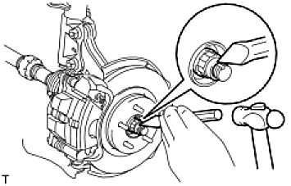

(b) | Using a chisel and hammer, stake the hub nut.

11. ADD AUTOMATIC TRANSAXLE FLUID

(a) | Add the automatic transaxle for U140F .
(b) | Add the automatic transaxle for U241E See: Automatic Transmission/Transaxle\Service and Repair\Removal and Replacement\Transaxle Assembly\Installation.
(c) | Add the automatic transaxle for U151E .
(d) | Add the automatic transaxle for U151F .

12. CHECK FOR AUTOMATIC TRANSAXLE FLUID LEAKAGE
13. INSTALL FRONT WHEEL

Torque: 103 Nm (1,050 kgf-cm, 76 ft-lbf)

14. INSPECT AND ADJUST FRONT WHEEL ALIGNMENT

(a) | Inspect and adjust the front wheel alignment See: Maintenance\Alignment\Service and Repair.

15. CONNECT CABLE TO NEGATIVE BATTERY TERMINAL
16. CHECK SPEED SENSOR SIGNAL

(a) | Check the speed sensor signal See: Brakes and Traction Control\Antilock Brakes / Traction Control Systems\Testing and Inspection\Initial Inspection and Diagnostic Overview\Diagnosis System.

